Sheet1
 |  | Document No. | Issue No. | Issue Date |  |  | Review and Replace Date |  | Authorised By
 |  | GFF250MC | 7 | 02.12.2020 |  |  | 04.06.2026 |  | Magda Shah
 |  | Document Title | 20 Vegetable Samosa 500G

Document amendments reason for change |  | Film Update |  | Page 1 of 1 |  | Previous Issue Date |  | 17.12.2025 | Uncontrolled copy unless signed original

CVSAC-B20X4T | GAZEBO-BOOKER |  | 20 Vegetable Samosa 500G
STEP 1 |  |  |  |  | STEP 2
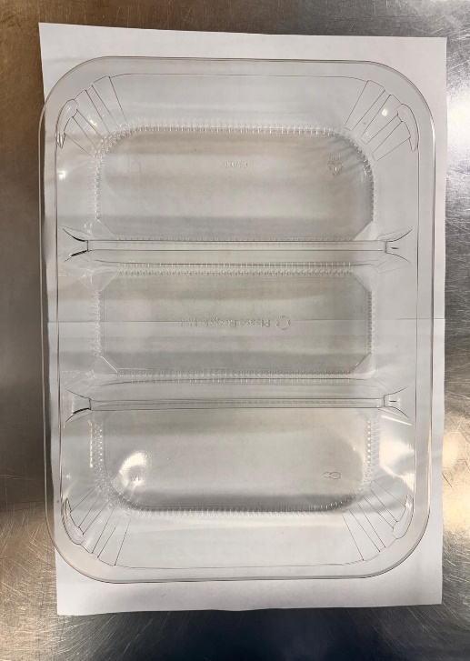 |  |  |  |  | 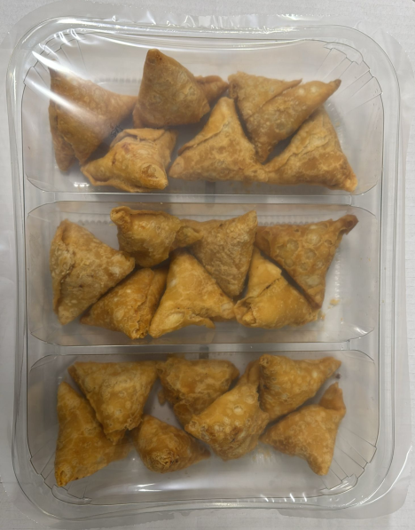

Tray: HW308/60 - 3 CAVITY TRANS - 352X246X60 - (PKESS001-10) |  |  |  |  | Vegetable Samosa 25g (Pre-Fried) India (Product code: RMSRI001-04): 20 Pieces (500G)
Film:25mu Weld Seal Mono PET Film(340mm x 1000lm) (PKCLI001-04)
STEP 3

TOTAL WEIGHT: 500G

ALLERGY ALERT: WHEAT

